Section I Background
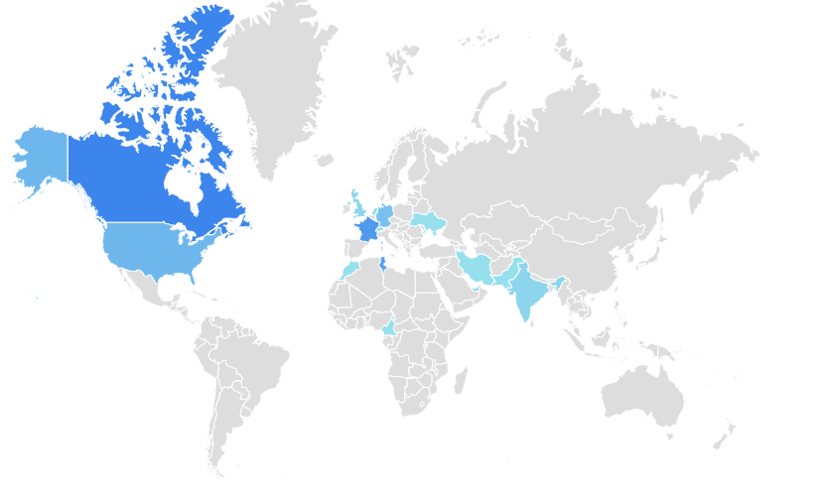
 |  | Number of participants | Percentage of participants |  |  |  | Q3 Other response analysis |  |  |  | Q4 Other response analysis
Section I: Background |  |  |  |  |  |  | Education (research team, university) | Research and development | Internet of Things | 2 | No knowledge of c++. Answer is not optional | SQL | 9
1. What is your role within your organization? (Yamashita, A., & Moonen, L. (2013, October). Do developers care about code smells? an exploratory survey. In Reverse Engineering (WCRE), 2013 20th Working Conference on (pp. 242-251). IEEE.) |  |  |  |  |  |  | Finance and accounting | Finance and accounting | Research and development | 2 | Solidworks | Swift | 5
 | 1 Software Engineer | 53 | 39.85 | Other |  |  | Oilfield and energie |  | Finance and accounting |  | Swift | Objective-C | 3
 | 2 Developer | 33 | 24.81 | Qc inspector | 1 |  | Internet of Things | Internet of Things | Oilfield and energie |  | Frontscript | Groovy | 3
 | 3 Team Lead | 11 | 8.27 | Researcher | 9 |  | Software Development | Research and development | Automotive Solutions | 2 | sql | Golang | 3
 | 4 Tester | 3 | 2.26 | Systems Engineer | 1 |  | industrial simulation |  | Government |  | SQL | Ruby | 3
 | 5 Architect | 4 | 3.01 | DevOps Engineer | 1 |  | Automotive | Automotive Solutions |  |  | eFront | Go | 2
 | 6 QA Manager | 1 | 0.75 | Analyst developer | 1 |  | Automation solutions | Automotive Solutions |  |  | Siemens, rockwell, abb, copada-data, IEC61131
 | 7 Project Manager | 7 | 5.26 | Director | 2 |  | Health & Safety, Risk Management, Compliance and others. | Health |  |  | Angular js , angular ts
 | 8 Self-employed | 3 | 2.26 | Technology consultant | 1 |  | Industry |  |  |  | Flex
 | 9 Other, please specify | 18 | 13.53 | Sales engineer | 1 |  | Internet of Things | Internet of Things |  |  | sql
 | Average | 3.20 |  | CEO | 1 |  | Government applications (tax income, water meter management) | Government |  |  | VB.NET
 | Median | 2 |  |  |  |  | Industry |  |  |  | Shell, SQL, BO, BI
 | Total respondents: | 133 |  |  |  |  | Enterprise |  |  |  | Objective-C
 | Skipped question: | 0 |  |  |  |  | Web development |  |  |  | SQL, NoSQL
 |  |  |  |  |  |  | Instant Messaging & Social Media |  |  |  | SQL
2. How many years of experience do you have in software engineering? |  |  |  |  |  |  | Business Intelligence & Automation Control |  |  |  | Groovy
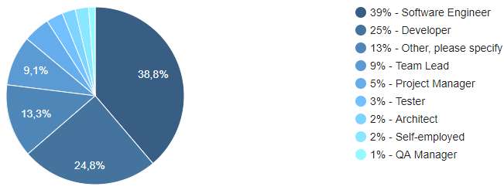
 | 1 Less than 1 year | 5 | 3.76 |  |  |  | Education |  |  |  | groovy, Ansible
 | 2 1 year - 5 Years | 73 | 54.89 |  |  |  | Aviation |  |  |  | Bash / ruby / haskel / prolog
 | 3 5-10 Years | 29 | 21.80 |  |  |  | transport |  |  |  | COBOL,SQL,PL/1,CICS,JCL,CL
 | 4 More than 10 years | 26 | 19.55 |  |  | Education (research team, university) | Mobile Apps |  |  |  | Go
 | Average | 2.57 |  |  |  | Finance and accounting | consulting |  |  |  | Swift
 | Median | 2 |  |  |  | Oilfield and energie | Transportation |  |  |  | Bash/shell
 | Total respondents: | 133 |  |  |  | Internet of Things | Accounting |  |  |  | SAP languages
 | Skipped question: | 0 |  |  |  |  | Led display and electronics |  |  |  | Fortran
 |  |  |  |  |  |  | Accounting |  |  |  | SAP
3. What is the domain of activity of your organization?(https://en.wikipedia.org/wiki/Outline_of_software_engineering) |  |  |  |  |  | Software Development | Research and development | Research and development |  |  | VHDL
 | 1 Research and development | 33 | 24.81 |  |  |  | App development | Research and development |  |  | Tensorflow
 | 2 Networks | 4 | 3.01 |  |  |  | Multi domaines |  |  |  | SQL
 | 3 Healthcare | 2 | 1.50 |  |  | industrial simulation | Apps |  |  |  | golang
 | 4 Analytics (Business,IT services, BigData...) | 35 | 26.32 |  |  | Automotive | Shows and conventions |  |  |  | Gosu
 | 5 Banking and insurance | 16 | 12.03 |  |  | Networks | Aeronautics |  |  |  | kotlin
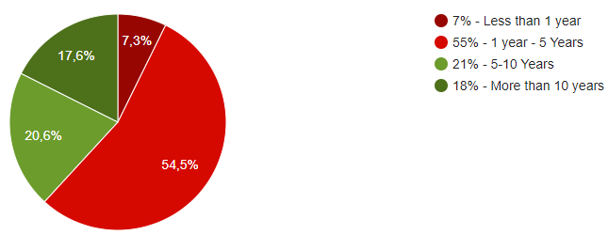
 | 6 Robotics and Embeeded systems | 5 | 3.76 |  |  | Automation solutions | Mobile Development |  |  |  | Objective C
 | 7 Games | 2 | 1.50 |  |  | Health & Safety, Risk Management, Compliance and others. | Physical Security IP Systems |  |  |  | Golang
 | 8 Other, please specify | 36 | 27.07 |  |  | Industry | Cloud infrastructure development |  |  |  | BI
 | Average | 4.50 |  |  |  | Other, please specify |  |  |  |  | AngularJS
 | Median | 4 |  |  |  |  |  |  |  |  | Ruby
 | Total respondents: | 133 |  |  |  | Government applications (tax income, water meter management) |  |  |  |  | Typescript
 | Skipped question: | 0 |  |  |  | Enterprise |  |  |  |  | Zlanguage (Zebulon Soft. Ecole des mines de paris)
 |  |  |  |  |  | Web development |  |  |  |  | UE4 Blueprints
4.1. What is your level of skill in the following languages? Please specify which other languages if relevant: (https://spectrum.ieee.org/at-work/innovation/the-2018-top-programming-languages) |  |  |  |  |  | Instant Messaging & Social Media |  |  |  |  | Visual basic DotNet
Python |  |  |  |  |  | Business Intelligence & Automation Control |  |  |  |  | Groovy
 | 1 Novice | 36 | 27.07 |  |  | Education |  |  |  |  | Scala, Go
 | 2 Little Knowledge | 32 | 24.06 |  |  | Aviation |  |  |  |  | Swift
 | 3 Practical | 30 | 22.56 |  |  | transport |  |  |  |  | Swift, Objective-C
 | 4 Comfortable | 27 | 20.30 |  |  | Mobile Apps |  |  |  |  | Swift
 | 5 Expert | 8 | 6.02 |  |  | consulting |  |  |  |  | Ruby
 | Average | 2.54 |  |  |  | Transportation |  |  |  |  | Golang
 | Median | 2 |  |  |  | Accounting |  |  |  |  | SQL Server
 | Total respondents: | 133 |  |  |  | Led display and electronics
 | Skipped question: | 0 |  |  |  | Research and development
 |  |  |  |  |  | App development
4.2. What is your level of skill in the following languages? Please specify which other languages if relevant: (https://spectrum.ieee.org/at-work/innovation/the-2018-top-programming-languages) |  |  |  |  |  | Multi domaines
C++ |  |  |  |  |  | Apps
 | 1 Novice | 19 | 14.29 |  |  | Shows and conventions
 | 2 Little Knowledge | 29 | 21.80 |  |  | Aeronautics
 | 3 Practical | 50 | 37.59 |  |  | Mobile Development
 | 4 Comfortable | 25 | 18.80 |  |  | Physical Security IP Systems
 | 5 Expert | 10 | 7.52 |  |  | Cloud infrastructure development
 | Average | 2.83
 | Median | 3
 | Total respondents: | 133
 | Skipped question: | 0

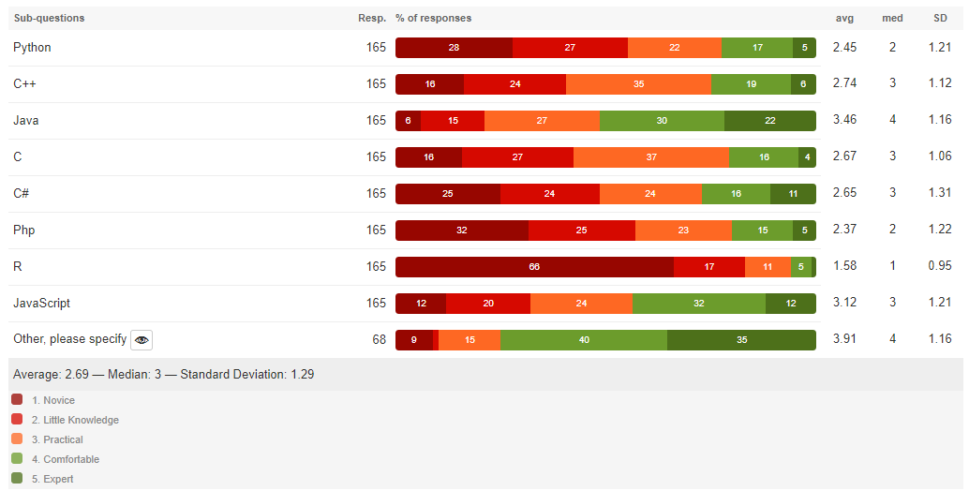
4.3. What is your level of skill in the following languages? Please specify which other languages if relevant: (https://spectrum.ieee.org/at-work/innovation/the-2018-top-programming-languages)
Java
 | 1 Novice | 8 | 6.02
 | 2 Little Knowledge | 20 | 15.04
 | 3 Practical | 32 | 24.06
 | 4 Comfortable | 41 | 30.83
 | 5 Expert | 32 | 24.06
 | Average | 3.52
 | Median | 4
 | Total respondents: | 133
 | Skipped question: | 0

4.4. What is your level of skill in the following languages? Please specify which other languages if relevant: (https://spectrum.ieee.org/at-work/innovation/the-2018-top-programming-languages)
C
 | 1 Novice | 19 | 14.29
 | 2 Little Knowledge | 35 | 26.32
 | 3 Practical | 51 | 38.35
 | 4 Comfortable | 21 | 15.79
 | 5 Expert | 7 | 5.26
 | Average | 2.71
 | Median | 3
 | Total respondents: | 133
 | Skipped question: | 0

4.5. What is your level of skill in the following languages? Please specify which other languages if relevant: (https://spectrum.ieee.org/at-work/innovation/the-2018-top-programming-languages)
C#
 | 1 Novice | 29 | 21.80
 | 2 Little Knowledge | 31 | 23.31
 | 3 Practical | 31 | 23.31
 | 4 Comfortable | 25 | 18.80
 | 5 Expert | 17 | 12.78
 | Average | 2.77
 | Median | 3
 | Total respondents: | 133
 | Skipped question: | 0

4.6. What is your level of skill in the following languages? Please specify which other languages if relevant: (https://spectrum.ieee.org/at-work/innovation/the-2018-top-programming-languages)
Php
 | 1 Novice | 44 | 33.08
 | 2 Little Knowledge | 31 | 23.31
 | 3 Practical | 30 | 22.56
 | 4 Comfortable | 21 | 15.79
 | 5 Expert | 7 | 5.26
 | Average | 2.37
 | Median | 2
 | Total respondents: | 133
 | Skipped question: | 0

4.7. What is your level of skill in the following languages? Please specify which other languages if relevant: (https://spectrum.ieee.org/at-work/innovation/the-2018-top-programming-languages)
R
 | 1 Novice | 86 | 64.66
 | 2 Little Knowledge | 21 | 15.79
 | 3 Practical | 17 | 12.78
 | 4 Comfortable | 7 | 5.26
 | 5 Expert | 2 | 1.50
 | Average | 1.63
 | Median | 1
 | Total respondents: | 133
 | Skipped question: | 0

4.8. What is your level of skill in the following languages? Please specify which other languages if relevant: (https://spectrum.ieee.org/at-work/innovation/the-2018-top-programming-languages)
JavaScript
 | 1 Novice | 15 | 11.28
 | 2 Little Knowledge | 22 | 16.54
 | 3 Practical | 34 | 25.56
 | 4 Comfortable | 43 | 32.33
 | 5 Expert | 19 | 14.29
 | Average | 3.22
 | Median | 3
 | Total respondents: | 133
 | Skipped question: | 0

4.9. What is your level of skill in the following languages? Please specify which other languages if relevant: (https://spectrum.ieee.org/at-work/innovation/the-2018-top-programming-languages)
Other, please specify
 | 1 Novice | 49 | 85.96
 | 2 Little Knowledge | 4 | 7.02
 | 3 Practical | 0 | 0
 | 4 Comfortable | 10 | 17.54
 | 5 Expert | 24 | 42.11
 | Average | 2.49
 | Median | 1
 | Total respondents: | 57
 | Skipped question: | 76

5.1. Rank the following programming paradigms according to how familiar you are with each?(https://www.cs.bham.ac.uk/research/projects/poplog/paradigms_lectures/lecture1.html)
Imperative
 | 1 Novice | 21 | 16.41
 | 2 Little Knowledge | 24 | 18.75
 | 3 Practical | 30 | 23.44
 | 4 Comfortable | 37 | 28.91
 | 5 Expert | 16 | 12.50
 | Average | 3.02
 | Median | 3
 | Total respondents: | 128
 | Skipped question: | 5

5.2. Rank the following programming paradigms according to how familiar you are with each?(https://www.cs.bham.ac.uk/research/projects/poplog/paradigms_lectures/lecture1.html)
Functional
 | 1 Novice | 7 | 5.30
 | 2 Little Knowledge | 18 | 13.64
 | 3 Practical | 39 | 29.55
 | 4 Comfortable | 40 | 30.30
 | 5 Expert | 28 | 21.21
 | Average | 3.48
 | Median | 4
 | Total respondents: | 132
 | Skipped question: | 1

5.3. Rank the following programming paradigms according to how familiar you are with each?(https://www.cs.bham.ac.uk/research/projects/poplog/paradigms_lectures/lecture1.html)
Logic
 | 1 Novice | 11 | 8.33
 | 2 Little Knowledge | 22 | 16.67
 | 3 Practical | 31 | 23.48
 | 4 Comfortable | 42 | 31.82
 | 5 Expert | 26 | 19.70
 | Average | 3.38
 | Median | 4
 | Total respondents: | 132
 | Skipped question: | 1

5.4. Rank the following programming paradigms according to how familiar you are with each?(https://www.cs.bham.ac.uk/research/projects/poplog/paradigms_lectures/lecture1.html)
Object Oriented
 | 1 Novice | 0 | 0
 | 2 Little Knowledge | 4 | 3.03
 | 3 Practical | 17 | 12.88
 | 4 Comfortable | 45 | 34.09
 | 5 Expert | 66 | 50
 | Average | 4.31
 | Median | 4.50
 | Total respondents: | 132
 | Skipped question: | 1

Section II Multi-language
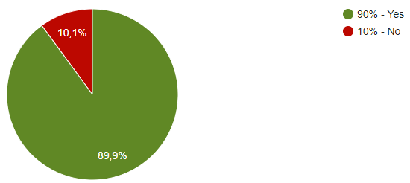
Closed questions |  |  |  |  |  | 7. To which domain your last multi-language project belongs to?
 |  |  |  |  |  | Mobile Application
6. Have you heard/used multi-language programming (programs developped using more than one programming language)? |  |  |  |  |  | Client/Server Application
 | 1 Yes | 120 | 90.23 |  |  | Client/Server Application
 | 2 No | 13 | 9.77 |  |  | Embedded Systems/Operating Systems
 | Average | 1.10 |  |  |  | Client/Server Application
 | Median | 1 |  |  |  | Client/Server Application
 | Total respondents: | 133 |  |  |  | Client/Server Application
 | Skipped question: | 0 |  |  |  | Client/Server Application
 |  |  |  |  |  | Desktop Application
7. To which domain your last multi-language project belongs to? |  |  |  |  | 7. Other domains | Client/Server Application
 | 1 Client/Server Application | 76 | 56.39 |  | Multi-platform project (Web / Mobile / Desktop) | Mobile Application
 | 2 Desktop Application | 14 | 10.53 |  | Web applications | Client/Server Application
 | 3 Mobile Application | 17 | 12.78 |  | Software Application | Client/Server Application
 | 4 Embedded Systems/Operating Systems | 8 | 6.02 |  | Back dev | Client/Server Application
 | 5 Other, please specify | 18 | 14.29 |  | University project | Embedded Systems/Operating Systems
 | Average | 2.11 |  |  | research, data preparation | Client/Server Application
 | Median | 1 |  |  | Web application | Client/Server Application
 | Total respondents: | 133 |  |  | Automation Systems | Desktop Application
 | Skipped question: | 0 |  |  | Search Engine | Client/Server Application
 |  |  |  |  | SAP | Client/Server Application
 |  |  |  |  | Business Intelligence | Mobile Application
 |  |  |  |  | web applications | Client/Server Application
 |  |  |  |  | Datawarehouse | Multi-platform project (Web / Mobile / Desktop)
 |  |  |  |  | UMAT (Abaqus soft.), modify source code of Zebulon Soft. | Client/Server Application
 |  |  |  |  | Multiplatform (Pc, Mac, Linux, consoles and mobile) Games and Multiplatform Game Engine (PC, mac and linux) | Client/Server Application
 |  |  |  | Micro services | Micro services | Client/Server Application
 |  |  |  |  |  | Embedded Systems/Operating Systems
 |  |  |  |  |  | Web applications
 |  |  |  |  |  | Desktop Application
 |  |  |  |  |  | Client/Server Application
 |  |  |  |  |  | Client/Server Application
 |  |  |  |  |  | no one
 |  |  |  |  |  | Software Application
 |  |  |  |  |  | Client/Server Application
 |  |  |  |  |  | Client/Server Application
 |  |  |  |  |  | Back dev
 |  |  |  |  |  | Client/Server Application
 |  |  |  |  |  | University project
 |  |  |  |  |  | Client/Server Application
 |  |  |  |  |  | Desktop Application
 |  |  |  |  |  | Client/Server Application
 |  |  |  |  |  | Client/Server Application
 |  |  |  |  |  | Client/Server Application
 |  |  |  |  |  | Desktop Application
 |  |  |  |  |  | research, data preparation
 |  |  |  |  |  | Client/Server Application
 |  |  |  |  |  | Client/Server Application
 |  |  |  |  |  | Client/Server Application
 |  |  |  |  |  | Client/Server Application
 |  |  |  |  |  | Client/Server Application
 |  |  |  |  |  | Client/Server Application
 |  |  |  |  |  | Mobile Application
 |  |  |  |  |  | Client/Server Application
 |  |  |  |  |  | Client/Server Application
 |  |  |  |  |  | Client/Server Application
 |  |  |  |  |  | Client/Server Application
 |  |  |  |  |  | Client/Server Application
 |  |  |  |  |  | Mobile Application
 |  |  |  |  |  | Web application
 |  |  |  |  |  | Client/Server Application
 |  |  |  |  |  | Client/Server Application
 |  |  |  |  |  | Client/Server Application
 |  |  |  |  |  | Client/Server & Mobile Application
 |  |  |  |  |  | Automation Systems
 |  |  |  |  |  | Client/Server Application
 |  |  |  |  |  | No multi-language projects
 |  |  |  |  |  | Desktop Application
 |  |  |  |  |  | Search Engine
 |  |  |  |  |  | Client/Server Application
 |  |  |  |  |  | Mobile Application
 |  |  |  |  |  | Desktop Application
 |  |  |  |  |  | SAP
 |  |  |  |  |  | Client/Server Application
 |  |  |  |  |  | Client/Server Application
 |  |  |  |  |  | Embedded Systems/Operating Systems
 |  |  |  |  |  | Desktop Application
 |  |  |  |  |  | Client/Server Application
 |  |  |  |  |  | Client/Server Application
 |  |  |  |  |  | Client/Server Application
 |  |  |  |  |  | Mobile Application
 |  |  |  |  |  | Client/Server Application
 |  |  |  |  |  | Client/Server Application
 |  |  |  |  |  | Embedded Systems/Operating Systems
 |  |  |  |  |  | Client/Server Application
 |  |  |  |  |  | Business Intelligence
 |  |  |  |  |  | Client/Server Application
 |  |  |  |  |  | Client/Server Application
 |  |  |  |  |  | Client/Server Application
 |  |  |  |  |  | Mobile Application
 |  |  |  |  |  | Mobile Application
 |  |  |  |  |  | web applications
 |  |  |  |  |  | Client/Server Application
 |  |  |  |  |  | Mobile Application
 |  |  |  |  |  | Client/Server Application
 |  |  |  |  |  | Client/Server Application
 |  |  |  |  |  | Mobile Application
 |  |  |  |  |  | Client/Server Application
 |  |  |  |  |  | Datawarehouse
 |  |  |  |  |  | Mobile Application
 |  |  |  |  |  | Mobile Application
 |  |  |  |  |  | Client/Server Application
 |  |  |  |  |  | Client/Server Application
 |  |  |  |  |  | Client/Server Application
 |  |  |  |  |  | Client/Server Application
 |  |  |  |  |  | Desktop Application
 |  |  |  |  |  | Client/Server Application
 |  |  |  |  |  | Client/Server Application
 |  |  |  |  |  | Client/Server Application
 |  |  |  |  |  | Desktop Application
 |  |  |  |  |  | Mobile Application
 |  |  |  |  |  | UMAT (Abaqus soft.), modify source code of Zebulon Soft.
 |  |  |  |  |  | Desktop Application
 |  |  |  |  |  | Multiplatform (Pc, Mac, Linux, consoles and mobile) Games and Multiplatform Game Engine (PC, mac and linux)
 |  |  |  |  |  | Client/Server Application
 |  |  |  |  |  | Client/Server Application
 |  |  |  |  |  | Client/Server Application
 |  |  |  |  |  | Client/Server Application
 |  |  |  |  |  | Desktop Application
 |  |  |  |  |  | Client/Server Application
 |  |  |  |  |  | Desktop Application
 |  |  |  |  |  | Micro services
 |  |  |  |  |  | Embedded Systems/Operating Systems
 |  |  |  |  |  | Desktop Application
 |  |  |  |  |  | Mobile Application
 |  |  |  |  |  | Mobile Application
 |  |  |  |  |  | Embedded Systems/Operating Systems
 |  |  |  |  |  | Client/Server Application
 |  |  |  |  |  | Mobile Application
 |  |  |  |  |  | Client/Server Application
 |  |  |  |  |  | Client/Server Application
 |  |  |  |  |  | Embedded Systems/Operating Systems
 |  |  |  |  |  | Client/Server Application
 |  |  |  |  |  | Client/Server Application

Section II Open Question 8
Frequency of usage of Sets of Languages
8. Which pairs/sets of programming languages did you use when you developed multi-language project(s)? | Done
 |  | Combination | Sets of languages | Frequencies | Sets of languages | Frequencies
I'm not sure if domain-specific languages (DSL) count too. What about configuration notations? programming: Python, Javascript DSLs: HTML, CSS, Docker (Dockerfile), bash | Done |  | Python, Javascript DSLs: HTML, CSS, Docker (Dockerfile), bash | 1 | Java and JavaScript | 14 |  | split ?
C#/java/xhtml | Done |  | C#/java/xhtml | 1 | Java/C(++) | 8
English french italian | Excluded |  | C++, php, JavaScript | 1 | Python, java | 7
C++, php, JavaScript | Done |  | Python, java | 7 | C# and c++ | 6
Python, java | Done |  | Java and JavaScript | 14 | python, C(++) | 6
Java and JavaScript | Done |  | EmberJS, Ruby on rails Javascript, Python | 1 | java/c# | 5
EmberJS, Ruby on rails Javascript, Python | Done |  | Java/C(++) | 8 | Python and Javascript | 4
Java/C | Done |  | C# and c++ | 6 | C(++)/JS | 3
C Sharp and c++ | Done |  | Node js(runtime) Express js (framework) Javascript (language) Front-end : Angular ( framework). Typescript (language ). React js (Javascript) | 1 | Typescript / java | 2
Html 5 | Done |  | java/c# | 5 | C#, Angular (javascript) | 2
don't | Done |  | python, C(++) | 6 | Java and R | 2
Java | Done |  | JS, PHP, MySQL | 1 | Js/C++/C# | 2
N/A | Done |  | Typescript / java | 2 | Kotlin,Java | 2
C++ | Done |  | PHP (Symphony) Java (JavaFx) Java (CodenameOne) | 1 | Swift / Objective C | 2
Domain : web Backend : using Node js(runtime) Express js (framework) Javascript (language) Front-end : Angular ( framework). Typescript (language ). React js (Javascript) html css | Done |  | c ,java,sql,python | 1 | Python, Javascript DSLs: HTML, CSS, Docker (Dockerfile), bash | 1
java/c# | Done |  | c# et knockout.js | 1 | C#/java/xhtml | 1
python, C++ | Done |  | Javascript, Typescript, Css, Sass, Html, Java | 1 | C++, php, JavaScript | 1
English French | Excluded |  | R/ JavaScript | 1 | EmberJS, Ruby on rails Javascript, Python | 1
JS, PHP, MySQL | Done |  | Node-red, tia portal ladder, tia portal structured text, html, xml | 1 | Node js(runtime) Express js (framework) Javascript (language) Front-end : Angular ( framework). Typescript (language ). React js (Javascript) | 1
Java, C++/C Javascript, Java | Done |  | Angular typeScript / Rest Api | 1 | JS, PHP, MySQL | 1
Typescript / java | Done |  | Java/ Nabsic | 1 | PHP (Symphony) Java (JavaFx) Java (CodenameOne) | 1
PHP (Symphony) Java (JavaFx) Java (CodenameOne) | Done |  | Java / python / bash / scala | 1 | c ,java,sql,python | 1
c ,java,sql,python | Done |  | VB.NET and WINDEV | 1 | c# et knockout.js | 1
Sql | Excluded |  | Python and Javascript | 4 | Javascript, Typescript, Css, Sass, Html, Java | 1
c# et knockout.js | Done |  | SQL, Shell, java, BO, BI | 1 | R/ JavaScript | 1
Python and C | Done |  | java C++ HTML PHP | 1 | Node-red, tia portal ladder, tia portal structured text, html, xml | 1
Javascript, Typescript, Css, Sass, Html, Java | Done |  | Java and Flex | 1 | Angular typeScript / Rest Api | 1
R/ JavaScript | Done |  | C#, Angular (javascript) | 2 | Java/ Nabsic | 1
Node-red, tia portal ladder, tia portal structured text, html, xml | Done |  | Java/ NodeJS / AngularJS / Typescript | 1 | Java / python / bash / scala | 1
Angular typeScript / Rest Api | Done |  | Cobol-Java | 1 | VB.NET and WINDEV | 1
 |  |  | Swift and java | 1 | SQL, Shell, java, BO, BI | 1
no one | Excluded |  | Swift, Objective-C, Javascript | 1 | java C++ HTML PHP | 1
Java/ Nabsic | Done |  | Java and R | 2 | Java and Flex | 1
Java/javascript | Done |  | Go and Js | 1 | Java/ NodeJS / AngularJS / Typescript | 1
. | Excluded |  | C(++)/JS | 3 | Cobol-Java | 1
Java / python / bash / scala | Done |  | Java scala python | 1 | Swift and java | 1
Php | Excluded |  | Php/JS | 1 | Swift, Objective-C, Javascript | 1
VB.NET and WINDEV | Done |  | Js/C++/C# | 2 | Go and Js | 1
Python and Javascript | Done |  | Bash/javascript | 1 | Java scala python | 1
C++ and C# | Done |  | php/python/js for backend js/typescript for frontend | 1 | Php/JS | 1
SQL, Shell, java, BO, BI | Done |  | Swift, objective-c, c++ and JavaScript | 1 | Bash/javascript | 1
java C++ HTML PHP | Done |  | C#/Node js/JavaScript Php | 1 | php/python/js for backend js/typescript for frontend | 1
Python/Java | Done |  | R/Js/Java | 1 | Swift, objective-c, c++ and JavaScript | 1
Java and Python | Done |  | Java/ABAP/ABSL | 1 | C#/Node js/JavaScript Php | 1
python java | Done |  | Fortran/C / C++ | 1 | R/Js/Java | 1
Java and Flex | Done |  | Node JS/Python/Java | 1 | Java/ABAP/ABSL | 1
java/javascript | Done |  | Java/JavaScript/Cucumber/DQL (Documentum Query Language) | 1 | Fortran/C / C++ | 1
Java for Server side and JavaScript for the client side | Done |  | SAPUI5 and ABAP | 1 | Node JS/Python/Java | 1
C#, Angular (javascript) | Done |  | JS/Wasm | 1 | Java/JavaScript/Cucumber/DQL (Documentum Query Language) | 1
C++/Java | Done |  | Java/Matlab | 1 | SAPUI5 and ABAP | 1
Java/ NodeJS / AngularJS / Typescript | Done |  | Kotlin,Java | 2 | JS/Wasm | 1
Bash+javascript | Done |  | Cobol/C# | 1 | Java/Matlab | 1
Java, JavaScript | Done |  | C#/Matlab | 1 | Cobol/C# | 1
Typical full-stack | To check | Exclude because We can not extract the sets from this aswer: ull-stack really is referring to the 'stack' everything from low-level programing, system- administration, and much more, to that higher level, front-end, web-development, stuff. There is a lot more in-between, but the ideas is that if you are a full-stack developer, you have the ability to work anywhere in the stack. | Java, javascript, xcp | 1 | C#/Matlab | 1
Python/C++ C++/Java C#/C++ | Done |  | Html/css/js and java back end | 1 | Java, javascript, xcp | 1
JavaScript, python | Done |  | Java, VB.Net, C#/WPF | 1 | Html/css/js and java back end | 1
php/python/js for backend js/typescript for frontend | Done |  | T-SQL / C# | 1 | Java, VB.Net, C#/WPF | 1
Swift, objective-c, c++ and JavaScript | Done |  | Java/Gosu/JavaScript | 1 | T-SQL / C# | 1
C# Node js JavaScript Php | Done |  | java j2ee | 1 | Java/Gosu/JavaScript | 1
Ejb Sql Server | To check | Added | TypeScript/Js | 1 | java j2ee | 1
R JavaScript Java | Done |  | TypeScript/C# | 1 | TypeScript/Js | 1
C# and Java | Done |  | T-SQL/DAX/MDX | 1 | TypeScript/C# | 1
Java + JavaScript, Java + C++ (JNI), C++ + JavaSctipt, Java + JavaScript + C++ + Objective-C | Done |  | C++, C, Python, Matlab, Java | 1 | T-SQL/DAX/MDX | 1
Statement List, Sequential Function Chart, Ladder | To check | Added | C, C++, RE2C, Ruby, Linux Shell Scripts, Python | 1 | C++, C, Python, Matlab, Java | 1
Java/ABAP/ABSL | Done |  | Java Python Go Scala | 1 | C, C++, RE2C, Ruby, Linux Shell Scripts, Python | 1
No multi-language projects | Excluded |  | Spring , Java , JavaScript, JSP , XML , CSS , FreeMarker | 1 | Java Python Go Scala | 1
Fortran, C and C++ all together | Done |  | java / javascript ( node js ) / html /css / script shell / | 1 | Spring , Java , JavaScript, JSP , XML , CSS , FreeMarker | 1
Node JS Python Java | Done |  | JavaScript, Python, sql | 1 | java / javascript ( node js ) / html /css / script shell / | 1
Java, JavaScript, Cucumber, DQL (Documentum Query Language) | Done |  | node JS PERL JAVA C# .NET REACT | 1 | JavaScript, Python, sql | 1
Xamarine | To check | Excluded because: C# with another language not specified | Swift / Objective C | 2 | node JS PERL JAVA C# .NET REACT | 1
java and C# | Done |  | C# / Visual Basic | 1 | C# / Visual Basic | 1
SAPUI5 and ABAP | Done |  | Js/Ruby | 1 | Js/Ruby | 1
Java on Server site (Web service) C# (MVC web Application) | Done |  | Obj-C, JavaScript, SQL for frontend PHP and Java for Backend | 1 | Obj-C, JavaScript, SQL for frontend PHP and Java for Backend | 1
JS/Wasm | Done |  | Java, c#, cobol, javascript, angular JS | 1 | Java, c#, cobol, javascript, angular JS | 1
C, C++, C# | Done |  | golang/java | 1 | golang/java | 1
Java/Matlab | Done |  | java/bash | 1 | java/bash | 1
Java/python | Done |  | C# and Golang | 1 | C# and Golang | 1
C++ and C# | Done |  | C++, C#, C++/CLI, XAML | 1 | C++, C#, C++/CLI, XAML | 1
Html/css/js and java back end | Done |  | Ejb/Sql Server | 1 | Ejb/Sql Server | 1
Kotlin,Java | Done |  | Statement List, Sequential Function Chart, Ladder | 1 | Statement List, Sequential Function Chart, Ladder | 1
Java, javascript, xcp | Done |  | C#, Javascript, SQL Server (SQL, SSIS, SSAS,...) | 1 | C#, Javascript, SQL Server (SQL, SSIS, SSAS,...) | 1
Java, VB.Net, C#/WPF | Done |  | python,java script abap ui5 | 1 | python,java script abap ui5 | 1
C, C++ and Python | Done
javascript é python | Done
T-SQL / CSharp | Done
Core banking | To check | Exclude
java/typescript java/javascript java/R java/C++ golang/java java/bash? is bash accepted? | Done
Mix of Java, Gosu and JavaScript | Done
Java, Javascript | Done
java and kotlin | Done
java j2ee | Done
Java, c#, cobol, javascript, angular JS... | Done
C++, java | Done
Javascript and Java | Done
node JS PERL JAVA C# .NET REACT | Done
Obj-C, JavaScript, SQL for frontend PHP and Java for Backend | Done | split ? Front and back
JavaScript C# | Done
T-SQL DAX MDX | Done
Java + nodeJS | To check | Java/Js Added
Swift / Objective C C# / Visual Basic Javascript / Ruby (for integration tests) | Done
C# | Excluded
JavaScript, Python, sql | Done
C# and typescript | Done
Java Python Go Scala | Done
Spring , Java , JavaScript, JSP , XML , CSS , FreeMarker | Done
Java and Javascript, Python and Javascript, C and Javascript, | Done
- - | Excluded
Matlab C# | Done
C++, C, Python, Matlab, Java | Done
N/A | Excluded
C++/phyton | Done
C, C++, C#, JavaScript | Done
C# for our build tools, C++ as a base for the engine, Blueprints for game scripting and prototyping and a node base editor for the shading. | Done
java / javascript ( node js ) / html /css / script shell / | Done
TypeScript/JavaScript | Done
PHP/Javascript, C#/Javascript | Done
C sharp Cobol | Done
C, C++, RE2C, Ruby, Linux Shell Scripts, Python | Done
Angular (Typescript / Javascript) and dotNET (C#) | Done
Java and R or Java and Python | Done |  |  |  |  |  | Yes
Java scala python | Done |  |  |  |  |  | Yes
js/java C/java C/js Go/js | Done |  |  |  |  |  | Yes
Python-Java and Cobol-Java | Done |  |  |  |  |  | Yes
Swift and java | Done |  |  |  |  |  | Yes
Swift, Objective-C, Javascript | Done |  |  |  |  |  | Yes
C, C++, Python | Done |  |  |  |  |  | Yes
C# and java | Done |  |  |  |  |  | Yes
Swift and Objective-C for iOS | Done
JavaScript/Java | Done
C++, C#, C++/CLI, XAML | Done
C# and Golang | Done
C#, Javascript, SQL Server (SQL, SSIS, SSAS,...) | Done
python,java script abap ui5 | Done

Section II Question 9
Closed questions

9. In your opinion, has the use of multi-language programming increased or decreased over time?
 | 1 Increased over time | 83 | 62.41
 | 2 Decreased over time | 17 | 12.78
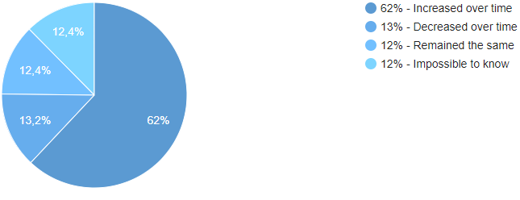
 | 3 Remained the same | 16 | 12.03
 | 4 Impossible to know | 17 | 12.78
 | Average | 1.75
 | Median | 1
 | Total respondents: | 133
 | Skipped question: | 0

Section II Open Question 10
Reasons for increase
Reasons for increase
10. From your previous answer, why did the use of multi-language increase or decrease over time?
 |  |  |  | Saving time | reuse of code
Web based applications has grown tremendously in recent years. Number of users online has also increased over time. These are the two major reasons in my opinion. | Complex systems needs more than one language |  |  | Maintenance problems | Complex integration |  | Reason for increase | Frequencies
because the multiple language has more advantages and it is very helpful for a developer. Using multiple language we gain a lot of time and we reuse what exist instead of reinventing the wheel | reuse of code |  |  |  |  |  | Migration of projects | 3
Maintenance is difficult, integration is complex |  |  | maintenance, integration | Combining technologies |  |  | Flexibility/Agility/Interoperability | 3
Because we have more and more Frameworks and there is Frontend and Backend parts | Complex systems needs more than one language |  |  | Combining technologies |  |  | Reuse of code | 10
Because of integrating and combining the new technologies such as artificial intelligence and IOT ... | convergence of technologies |  |  | Reduce cost developemt | Reuse of code |  | Emmergence of new languages/convergence of technologies | 11
It increases because different devices from different vendors communicate to each other to attend the goal of the developped automation solutions. Nowadays we are Collecting two worlds together: prozessautomation with it. We talk about industriy 4.0. Further with IoT we are connecting more and more the industry, clouds and home together. | convergence of technologies | complex syst? |  | Comaptibility problems |  |  | Benefit from advantages of different languages | 19
to reduce cost by re-using code developed in different languages. Developers sometimes need to use tools that are built using a particular language, so there is a need to use multiple- languages to adapt the need for a particular tool. | Reuse of code |  |  | Combining technologies |  |  | Complex systems need more than one language | 20 | include agility
Losing time when changing ide and platform |  |  | waste of time
There are always devs who need to learn/ practice languages before they switch from one project to other |  |  | Training time | Efficient programming | Reuse of code | Saving time
In the scope of web applications, the client has to be implemented in javascript. Until a couple years ago, Javascript was a frontend only language. Today Javascript is also use on the server with the help of Node JS. | Reuse benefits of each language |  |  | Combine benefits that offer each language
Reasons for decrease
 | Frequencies
Wast of time | 1
Interoperability | 1
Complexity | 1
Integration | 2
Compatibility | 2
Maintenability | 4
Understandability | 5
2 Reasons : 1) New languages appears each year and allows people to do specific jobs and tasks more efficiently. Since the corporations still want to produce and release functionalities with less investments and efforts, they like the new possibilities brought by new languages. 2) Corporations already have their previous implementations and code in older languages and they want all of this 'old work' still be relevant and usable in nowadays context. So everything new that developers will be implemented needs to be backward compatible with the previous corporation framework. | Reuse benefits of each language | Emmergence of new languages | Compatibility problems
We can use the benefits of the different languages to decrease over time | Reuse benefits of each language
Because of the increasingly used of APIs and the open-sourcesness which allows individuals to contribute a lot. | Reuse of code
Sharing Libraries and APIs, the Open-source community of different background and skills, distributed applications that involve different platforms and frameworks. | Reuse of code | Complex systems needs more than one language
Systems are getting more complex and thus involve more technologies | Complex systems needs more than one language
I guess because of the emerging of new languages/frameworks for specific domains that are suited for specific kind of tasks. | emergence of new languages
Limitations of a language get extended by another language. They complement each other like a cyber-symbiosis. | Reuse benefits of each language
there are more and more micro service which can be coded in any language and reused from any other languages. | Reuse of code |  |  |  |  |  | Reason for decrease | Frequencies
In the 80s, it was quite common. With server-side HTML generation with Web page, it decreased. With rich apps, full-stack is pretty common. So, it was common, became less common, now is back to being the norm (for software projects, not simple utilities). | Complex systems needs more than one language |  |  |  |  |  | Wast of time | 1
Cloud era | Complex systems needs more than one language |  |  |  |  |  | Interoperability | 1
Each programming language has its own unique | Reuse benefits of each language |  |  |  |  |  | Complexity | 1
Because the compilers become more intelligent | Complex systems needs more than one language |  |  |  |  |  | Integration | 2
Because there is not a only way to do things. Web api application with c#/java are more robust and mature to use. Front end development can't be done without JavaScript. There is so many use case for every language like python for data science. | Reuse benefits of each language | Complex systems needs more than one language |  |  |  |  | Compatibility | 2
Its more client server based applications | Complex systems needs more than one language |  |  |  |  |  | Maintenability | 4
It is imperative to make it easier for users to access software: either via browser or mobile app while the server must carry the heavy lifting. The two sides are so different than one PL cannot include libraries for all purposes. | Complex systems needs more than one language |  |  |  |  |  | Understandability | 5
You need some extra time to understand the code |  |  | Understandability |  |  |  |  |  | Skills of developers
For instance, using the reflection allows us to protect our mobile app more carefully, without exposing our algorithms to the client | Reuse benefits of each language |  |  |  |  |  |  |  | Training developers | 4
With PaaS, many new plateforms are used, and more integrations are requested by companies | Convergence techniques and emergence of new languages
single paradigms are more efficient, easy to communicate, like JavaScript paradigm |  |  | Complex, less efficient
Its a business requirement. | Complex systems needs more than one language
projects composed of different blocks that may require different programming languages. programs may be written by different people expert on different languages. | Complex systems needs more than one language
It speed up the development process. We can easily integrate the system developed in different languages through web service. It save the time to re write or develop system in same language. | Reuse of code
Connected and distributed applications | Complex systems needs more than one language
Because one language can't solve all developpement problems. | Reuse benefits of each language
Sometime it accelerates the development . Other it complicates things and make maintainability very hard | Reuse od code |  | Maintenability
There is more and more languages with their pros and cons so if you prefer the opportunities given by one specific language in a specific domain you can combine it with an other language | Reuse benefits of each language
For example we use python for testing. In the future this should be made bt C or C++ | Reuse benefits of each language
I have answer neither, and I can't know why, I can just experience that around me it has remained stable.
I think the rise of the mobile apps and the control done by the manufacturers on the apps developped for their OS might have decreased the use of multiple languages. | Complex systems needs more than one language
From my personal experience, compagnies like Google and Apple are giving developers more flexibility to design their applications. | flexibility
sometimes compatabitlity and other people's comfort zone |  |  | Compatibility, comfort zone
Depending on the team members, if everyone has a certain expertise in the language that he is working on, it should not cause an increase of overtime. But the integration between components from different language can be a risk. |  |  | integration, training dev
Maintenance cost effective |  |  | Maintenance
I think it has increased but not significantly I'm saying that assuming that some companies has written new code on top of some legacy code. But I also think that sometimes one needs to use multi-language in order to build a complex system. | Complex systems needs more than one language
Microservices development. Smaller teams. Niche knowledge | Complex systems needs more than one language
Languages will change, but sometimes the tools remain the same (e.g. iOS development switched from Objective C to Swift, but both can be built through Xcode, and there are still a lot of legacy plug-ins that are written in Objective C.) | Convergence techniques and emergence of new languages | migration?
Nothing
JavaScript has become the language of the web, but no one likes coding in it.. so the backend is always different. In addition, preferred languages change over time leading to a mixture of old and new languages. Further, within an organization there will be differing opinions about which languages should be embraced. Lastly, database queries are done with SQL or other domain specific languages to abstract away the details of fulfilling the query. These seem to work better than a traditional language (citation needed) | Convergence techniques and emergence of new languages | Reuse benefits of each language
I answered it was impossible to know..
Because some languages are better and handling server side communication while others are better on the front-end/client side. | Reuse benefits of each language | complex syst?
More languages are available, developpers bring along preferences with them when contributing to components | Convergence techniques and emergence of new languages | Reuse benefits of each language
Flexibility, use of built in blocks,.. | Flexibility
Agility in some use cases | Agility
In our days, people are seeking for workaround solutions to respond the bussiness need. For example, a system which does heavy entreprise functionnalities and it is needed accessible on web. | Complex systems needs more than one language | emergence of tech?
Every language has its own uses | Reuse benefits of each language
Javascript became more famous with it new frameworks : Angular, React | Reuse benefits of each language
Learning curve of thé team, ans interoperability pb |  |  | Training developers | Interoperability
It was an old software that existed already when I joined the company. We couldn't switch because the clients also were using the old systems. We were forced to use multi-languages to bypass some limitations. The experts who joined also have different abilities. So to solve a specific problem, the different solutions were combined and ultimately lead to multi-language development. | Migration of project both languages exists | Reuse benefits of each language
Front end and back end grow together as the application grows | Complex systems needs more than one language
Because existing libraries on other languages or ease of use. | Reuse of code
My real answer is 'I don't know' but it wasn't one of the possible choices :). Increased over time is my best guess. When switching to a new programming language in a project, there is probably a need to still use the old code that written in another language and writing projects in two different languages can use the different strengths of each language. | Migration of project both languages exists | Reuse benefits of each language
As systems grow in size and complexity, one language cannot resolve all the possible problem out there. Hence, using a language that fits best the problem at hand is common these days. Specially with the growing popularity of modular design architecture such as microservice architecture. This architectural design pattern allows one to choose the best technology per business requirement. | Complex systems needs more than one language | Reuse benefits of each language
It's easier to interoperate between languages. | Interoperability
Complex applications require multiple technologies to be functional. The role of the developer is to master every aspect of the application to understand it fully. | Complex systems needs more than one language

I wouldn’t say it decreased I would say that, the languages have their use for a specific business case | Reuse benefits of each language
Convergence tech ( Web + Mobile App ) and Emergence of new languages ( Objective-C being progressively replaced by Swift or Java by Kotlin) | Convergence techniques and emergence of new languages

Section II Question 11 Box
11. From your experience, how do you evaluate the impact of using more than one programming language in a project, to the following aspects of software development?
 | Negative impact | Neutral | Positive impact | N/A
System Performance | 16 | 38 | 71 | 8
System architecture creation | 33 | 39 | 51 | 10
Implementation of initial code | 29 | 44 | 47 | 13
Memory usage | 22 | 53 | 43 | 15
Understandability of the system | 65 | 27 | 33 | 8
Translation of requirements to code | 24 | 54 | 45 | 10
Motivation of developers | 26 | 25 | 74 | 8

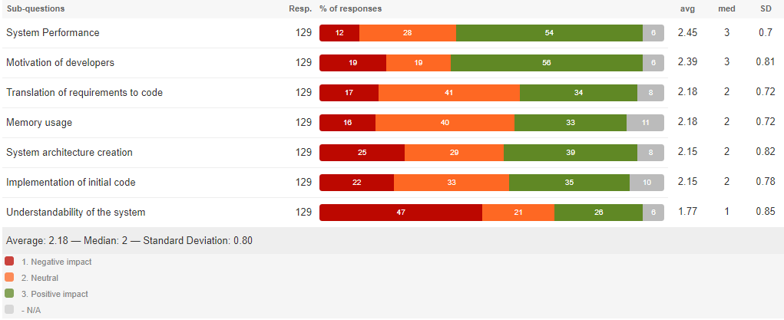
11.1. From your experience, how do you evaluate the impact of using more than one programming language in a project, to the following aspects of software development?
System Performance
 | 1 Negative impact | 16 | 12.03
 | 2 Neutral | 38 | 28.57
 | 3 Positive impact | 71 | 53.38
 | - N/A | 8 | 6.02
 | Average | 2.44
 | Median | 3
 | Total respondents: | 133
 | Skipped question: | 0

11.2. From your experience, how do you evaluate the impact of using more than one programming language in a project, to the following aspects of software development?
System architecture creation
 | 1 Negative impact | 33 | 24.81
 | 2 Neutral | 39 | 29.32
 | 3 Positive impact | 51 | 38.35
 | - N/A | 10 | 7.52
 | Average | 2.15
 | Median | 2
 | Total respondents: | 133
 | Skipped question: | 0

11.3. From your experience, how do you evaluate the impact of using more than one programming language in a project, to the following aspects of software development?
Implementation of initial code
 | 1 Negative impact | 29 | 21.80
 | 2 Neutral | 44 | 33.08
 | 3 Positive impact | 47 | 35.34
 | - N/A | 13 | 9.77
 | Average | 2.15
 | Median | 2
 | Total respondents: | 133
 | Skipped question: | 0

11.4. From your experience, how do you evaluate the impact of using more than one programming language in a project, to the following aspects of software development?
Memory usage
 | 1 Negative impact | 22 | 16.54
 | 2 Neutral | 53 | 39.85
 | 3 Positive impact | 43 | 32.33
 | - N/A | 15 | 11.28
 | Average | 2.18
 | Median | 2
 | Total respondents: | 133
 | Skipped question: | 0

11.5. From your experience, how do you evaluate the impact of using more than one programming language in a project, to the following aspects of software development?
Understandability of the system
 | 1 Negative impact | 65 | 48.87
 | 2 Neutral | 27 | 20.30
 | 3 Positive impact | 33 | 24.81
 | - N/A | 8 | 6.02
 | Average | 1.74
 | Median | 1
 | Total respondents: | 133
 | Skipped question: | 0

11.6. From your experience, how do you evaluate the impact of using more than one programming language in a project, to the following aspects of software development?
Translation of requirements to code
 | 1 Negative impact | 24 | 18.05
 | 2 Neutral | 54 | 40.60
 | 3 Positive impact | 45 | 33.83
 | - N/A | 10 | 7.52
 | Average | 2.17
 | Median | 2
 | Total respondents: | 133
 | Skipped question: | 0

11.7. From your experience, how do you evaluate the impact of using more than one programming language in a project, to the following aspects of software development?
Motivation of developers
 | 1 Negative impact | 26 | 19.55
 | 2 Neutral | 25 | 18.80
 | 3 Positive impact | 74 | 55.64
 | - N/A | 8 | 6.02
 | Average | 2.38
 | Median | 3
 | Total respondents: | 133
 | Skipped question: | 0

Section II Open Question 13
13. How did you solve those issues?
 |  |  |  |  | Solutions | Frequencies
 |  |  |  |  | use of specific tool | 2 |  | architectural design pattern | 1 | Reengineering techniques | Design adaption | 2
Correctness: increase test coverage | Tests |  |  |  | Documentation | 3 |  | Standrad practices | 5 |  | Requirement relaxation | 1
Creating a team where the resources(employees) are assigned on a rotational basis to work on the maintenance and bug fixes. Every developer would work on the maintenance for some time in a 4 month span. | Team work |  |  |  | Minimise interaction between languages | 3 |  | Debuging | 2
Using testing methods and implementing security tests (exceptions management) | Tests,security tests |  |  |  | Developer experience with those issues | 4 |  | extract dev experience?
Hard work, late hours and sometimes reengineering. | Reengineering techniques, developer experience |  |  | Team work | code review | 5 |  | Refactoring | 2
Using design patterns | Design patterns and practices |  |  |  | Reengineering techniques/Refactoring | 6
Using by-pass | by-pass | Issues not solved still lloking for solutions |  |  | Issues not solved still lloking for solutions | 8 |  | code generation | 1
There were cases where we had to relax the system requirements. Maintainability of the code remains an issue. In my case, I've used multi-language programming simply because I had to re-use 2 or more libraries there were already written in two different languages. | Requirement relaxation |  |  |  | Design patterns and standard practices, architectural DP | 9
Doing a good conception, structure and keep each technology independant from the other. | Design | Minimise interaction between languages |  |  | Tests and debuging | 13 |  | understanding the system architecture | 1
There are ways and protkols like MQTT mesaage queing telementary transport that can connect everthing needed together. | use of tool | use of MQTT Messaging to connect client/server application in different languages |  |  | Team work | 14 | only 2 use specific tools to access the quality of mls
Team work | Team work |  |  |  |  |  | They are trying to avoid multi-language due to issues not solved
Refactoring | Refactoring |  |  |  |  |  | DEALING WITH THE ISSUES, MITIGATING THEM, OR AVOID MLD BUT NOT SOLVED
Spending time to debug in order to understand all the architecture of the project | understanding the system architecture
We try to put the newbie in one language with a developer who master it better in pair programming | Team work |  |  |  |  |  | Continuous Integration is a development practice that requires developers to integrate code into a shared repository at regular intervals.
Using non-native threads over native threads because of their positive effect on portability | Use of Thread practice | Standrad practices
To use best practices both in design and use of corresponding languages. | Design patterns and practices |  |  |  |  |  | It was also pointed out that good tool support can solve (some of ) these problems.
implemented more tests | Tests
Debugging | Debugging
Solution to Solve ML Issues
by asking advice to an expert | The right person for the right language
Continuous Integration and development server (Jenkins) to help maintain cohesion between project parts Code Review System such as SonarQube | use of tool jenkins, sonarqube, tests | Use of Sonar cube
Security issue was due to the project being distributed, not multi-language. We applied standard techniques |  |  |  |  |  |  |  |  |  |  |  |  | former les personnes pourquils sont plus experts et q qui il faut assigner le bug a resoudre
Audit | audit, source code analysis, tests to discover bugs |  | code review | tests
Hiring the right person for each language | The right person for the right language
Using existing libraries and testing | lib and Tests
Upfront System Design | Design
Calling Microsoft directly | The right person for the right language
A lot of documentation | Documentation
Just dragging the problem along with the project. Haven't really solved these issues yet. | Issues not solved still lloking for solutions
optimizing the number of different blocks written in different languages + test the code under different scenarios | tests, optimise and minimise ml | Minimise interaction between languages
Proper documentation and training | Documentation
Testing and troubleshooting | Tests
Work hard to figure out how to make things work and develop debug tools | Debugging. Developer experiene | Team work
Keeping thongs as simple as possible in the interface between both languages. | Practice simple communication as possible | Minimise interaction between languages
Mvp | architectural design pattern
Having different experts in different languages inside a single team | The right person for the right language

decoupling systems or services/layers | Decoupling | Standrad practices
These were issue intrinsic with the use of multiple language. I dealt with the consequences of these issues, but I have not solved the issues themselves. | Issues not solved still lloking for solutions
You need to train resources for multiple languages | The right person for the right language
Trying to communicate more and to be specific | Team work
Dedicated developer to adapt specific modules for performance increase | The right person for the right language
A project manager came back to me stating that one of our functionality wasn't working. It was a maintenance problem. The code was too old and broke over time (not sure if it was because of the constant update of the iOS version or because of our own updates) We checked the code and re-wrote it correctly. | refactoring, code review
Have each person who knows best the language take care of it. | The right person for the right language
Training Automated build processes | continous integration process, tests | Standrad practices | tests
Search for code source | Code review
We haven’t. We attempt to discourage the introduction of new languages | Issues not solved still lloking for solutions
by running experimentations in order to find the bottleneck | tests
Documentation | Documentation
Not solved..limited use of multiple languages | Issues not solved still lloking for solutions
Most of your questions are biased. You cannot asses impact this way. It highly depends on what languages are involved and in which direction the data flow happens Resolution depends, typically we strive for encapsulation and enforcing strict boundaries on what gets done in every context | standard practices
My employer is a bit optimistic and try to hire only talented and motivated individuals. | The right person for the right language
Follow industry best practices | Design patterns and practices
Lot of time.
More training on the part of the developers, which results in less motivation and less efficiency overall. The problems are only mitigated and not solved. | Issues not solved still lloking for solutions
Try and error reviewing the code carefully. | Code review
Code generation | Code generation
For sure my mission was to find out new functionalities to adapt the legacy code from Cobol to the target one in java. | adapt code | refactoring
Did not. Usage of multiple languages inevitably adds complexity hence a more difficult maintenance. | Issues not solved still lloking for solutions
Encouraging knowledge sharing and documentation amoung team members | Team work
It's a work in progress and not necessarily linked directly to multi-language. Multi-language tends to increase the impacts of bad designs, since there is a tendancy to use new languages to code faster instead of designing the software in a better way. | Issues not solved still lloking for solutions | dont focus on design but in time
In terms of my project we had to use more than one programming language due to some regulations. We are still trying to resolve the issues. | Issues not solved still lloking for solutions

With training | Developer experience

Section II Open Question 14
14. Do you use any practices or patterns when developping multi-language systems?

For client/server applications, well-defined interfaces for the common code between backend and front-end. | well-defined interfaces for the common code between backend and front-end | Architectural Patterns (MVVM, MVC) | Only 34 use practices when developping multi-language systems
Standard language/framework specific design patterns | design patterns
Initial scoping and purpose of use of two languages, must be very detailed and clear to all stakeholders. | Detailed specification from the begining |  | Practices | Frequencies
just traditionnal practices and a lot of imagination | design patterns |  | well-defined interfaces for the common code between backend and front-end | 1
Writing specs for each part as a contract of communication between them. | Detailed specification from the begining |  | design patterns | 9
Code review CI Pair programming Scrum / agile | Code review and CI pair programming |  | Detailed specification from the begining | 4
I'm using the same object-oriented practices | design patterns |  | Architectural Patterns (MVVM, MVC) | 3
Yes, comment the code, norms and advanced tests | Comments/Tests |  | Standard Good Design and code practices | 7
Using threading to fork/split programs into two or more simultaneously running tasks (or pseudo-simultaneously) so that resources are shared between them, hence faster execution. | Split the prograns ysing threadings
Strengths and weaknesses of the languages should be taken into account for the design. | Detailed specification from the begining
We are following company standards | Standard Good Design and code practices
Separate responsibilities | Standard Good Design and code practices |  |  | Check with Yann, DP vs Good practices
yes, I do. Microservice architecture is perfect to use in big systems development | Microservice Architecture
Same as if not multi-languages projects | design patterns
DRY 'Don't repeat yourself', KISS ‘Keep It Simple, Stupid’, | Standard Good Design and code practices
practice: test and stress your system to get the errors and debug them | Tests and stress the system
Facade, MVC | Design Pattern and Architectural Pattern
We use the SOAP protocol between processes and we avoid using multi-langage within a process to avoid possible performance penalties. The most used pattern is the Observer pattern (service provider and subscriber). | Microservice Architecture/Desin patterns
Usually try to stick to patterns which lead to clear modularizability and separation of power/responsibility. Client/Server, MVVM, etc... | Design Patterns, Client/server, Architectural Patterns | Architectural Patterns (MVVM, MVC) |  | Object Oriented Design Principle | or Standard Good Design practices
I think all regular good practices and patterns are applicable for multi-language systems, with a particular care to decouple the different technologies used. | design patterns/Standard Good Design and code practices
Not really, there is the global architecture of the different components, each one working with its language and how they communicate together. | Architectural Patterns |  | Practices | Frequencies
I didn't have that responsibility so I can't really answer... |  |  | Code review | 2 | Code generation | 1
SOLID, serverless | Standard Good Design and code practices |  | Applying tests | 2
Avoid. Or at least play to strengths. |  |  | Detailed specification from the begining | 3
Proper encapsulation helps | Standard Good Design and code practices |  | Architectural Patterns (MVVM, MVC, Client/server) | 9
Similarities and analogie with existing applications | Standard Good Design and code practices |  | Standard Good Design/Code patterns and practices | 17 | Micro services Architecture | 3 | Adding comments | 1
Not anything I can disclose at this time | Private information |  |  |  |  |  | Split the programs using threadings | 1
Most of the standard practices from the traditional languages remains. | design patterns
MVVM, MVC | Architectural Patterns
Code generation for shared function, microservice Architecture | Code generation, microservice architecture
Regarding multi-language specifically, I use mainly two patterns : Facade, Decoration | design patterns

Practices used in MLS

Object-Oriented design | design patterns
Yes. MVC, microservice, Client/Server, Scrum (to allow quick reaction to needed change), documentation. | Architectural Patterns
Some when they apply. |  |  |  |  |  |  | distingsh between oratique and oatterns
Nope, just Standard Code Application | Good practices

 |  |  |  |  |  |  | adding an split with practice

Section II Question 15
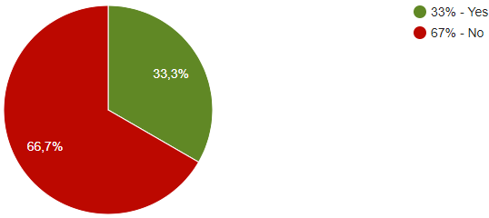
15. Do you have any experience or heard about JNI (Java/C(++)) Develpment?
 | 1 Yes | 44 | 33.08
 | 2 No | 89 | 66.92
 | Average | 1.67
 | Median | 2
 | Total respondents: | 133
 | Skipped question: | 0

Section III JNI
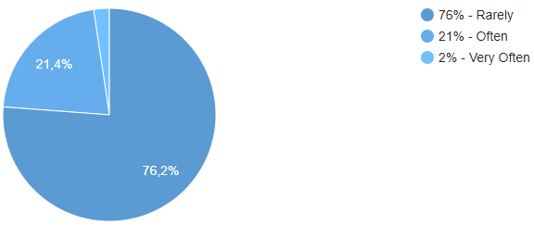
Section III: Java Native Interface (JNI)
16. How often do you use JNI in your projects?
 | 1 Very Often | 1 | 2.33
 | 2 Often | 9 | 20.93
 | 3 Rarely | 33 | 76.74
 | Average | 2.74
 | Median | 3
 | Total respondents: | 43
 | Skipped question: | 60

Section III Question 18
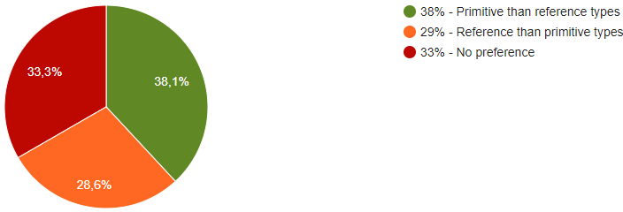
18. Do you prefer using primitive or reference types when using JNI?
 | 1 Primitive than reference types | 16 | 37.21
 | 2 Reference than primitive types | 12 | 27.91
 | 3 No preference | 15 | 34.88
 | Average | 1.98
 | Median | 2
 | Total respondents: | 43
 | Skipped question: | 60

Section III Cross Question 21
21. How often do you use the following in your JNI projects? |  |  |  |  | Other
 |  |  |  |  | blank
 | Very often | Often | Rarely | N/A
Using field access and method callbacks | 7 | 15 | 9 | 12
Use of exceptions | 8 | 10 | 11 | 12
Use of native threads | 5 | 3 | 11 | 14
Use of primitives (GetStaticFieldID and GetFieldID) | 4 | 13 | 11 | 15
Other, please specify | 1 | 2 | 2 | 14

21.1. How often do you use the following in your JNI projects?
Using field access and method callbacks
 | 1 Very often | 7 | 16.28
 | 2 Often | 15 | 34.88
 | 3 Rarely | 9 | 20.93
 | - N/A | 12 | 27.91
 | Average | 2.06
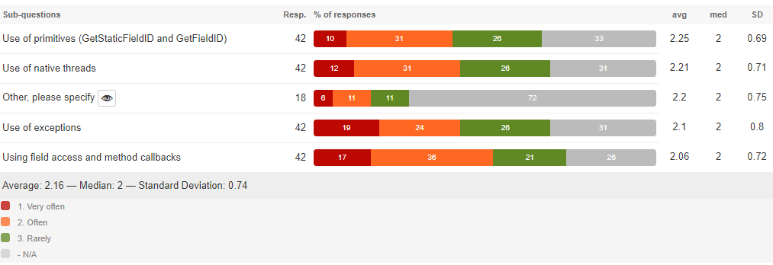
 | Median | 2
 | Total respondents: | 43
 | Skipped question: | 60

21.2. How often do you use the following in your JNI projects?
Use of exceptions
 | 1 Very often | 8 | 18.60
 | 2 Often | 10 | 23.26
 | 3 Rarely | 11 | 25.58
 | - N/A | 14 | 32.56
 | Average | 2.10
 | Median | 2
 | Total respondents: | 43
 | Skipped question: | 60

21.3. How often do you use the following in your JNI projects?
Use of native threads
 | 1 Very often | 5 | 11.63
 | 2 Often | 13 | 30.23
 | 3 Rarely | 11 | 25.58
 | - N/A | 14 | 32.56
 | Average | 2.21
 | Median | 2
 | Total respondents: | 43
 | Skipped question: | 60

21.4. How often do you use the following in your JNI projects?
Use of primitives (GetStaticFieldID and GetFieldID)
 | 1 Very often | 4 | 9.30
 | 2 Often | 13 | 30.23
 | 3 Rarely | 11 | 25.58
 | - N/A | 15 | 34.88
 | Average | 2.25
 | Median | 2
 | Total respondents: | 43
 | Skipped question: | 60

21.5. How often do you use the following in your JNI projects?
Other, please specify
 | 1 Very often | 1 | 5.26
 | 2 Often | 2 | 10.53
 | 3 Rarely | 2 | 10.53
 | - N/A | 14 | 73.68
 | Average | 2.20
 | Median | 2
 | Total respondents: | 19
 | Skipped question: | 84

Section IV Practices
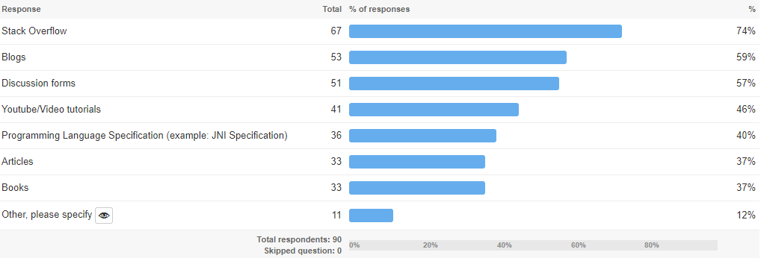
Section IV Patterns and Practices
Patterns learning sources
22. Which learning sources do you use to learn multi-language patterns and practices? |  |  |  | Other sources
 | Blogs | 54 | 58.06
 | Discussion forms | 51 | 54.84 | Youtube, Online courses
 | Programming Language Specification (example: JNI Specification) | 36 | 38.71 | Work
 | Books | 34 | 36.56 | github
 | Articles | 34 | 36.56 | Learing by doing :)
 | Stack Overflow | 70 | 75.27 | msdn
 | Youtube/Video tutorials | 42 | 45.16 | openclassRoom, udemy, top coder
 | Other, please specify | 11 | 11.83 | OpenclassRoom, udemy, top coder
 | Total respondents: | 93 |  | medium
 | Skipped question: | 0 |  | SAP documentation
 |  |  |  | udemy

Section IV Question 23
23. Are you following any of the below practices when developing multi-language systems? (https://www.ibm.com/developerworks/library/j-jni/index.html), (https://developer.android.com/training/articles/perf-jni)
 | 1 Very Often | 2 Often | 3 Rarely | - N/A
Check Exceptions | 39 | 29 | 16 | 9
Check multi-language return values | 26 | 40 | 14 | 13
Take care of and release the strings | 16 | 28 | 26 | 23
Avoid asynchronous communication between the languages | 10 | 38 | 29 | 16
Minimize the number of threads that need to touch or be touched by the languages | 11 | 38 | 20 | 24
Safe load of the library (example: AccessController) | 11 | 30 | 21 | 31
Other, please specify | 3 | 7 | 1 | 17
blank

23.1. Are you following any of the below practices when developing multi-language systems? (https://www.ibm.com/developerworks/library/j-jni/index.html), (https://developer.android.com/training/articles/perf-jni)
Check Exceptions
 | 1 Very Often | 39 | 41.94
 | 2 Often | 29 | 31.18
 | 3 Rarely | 16 | 17.20
 | - N/A | 9 | 9.68
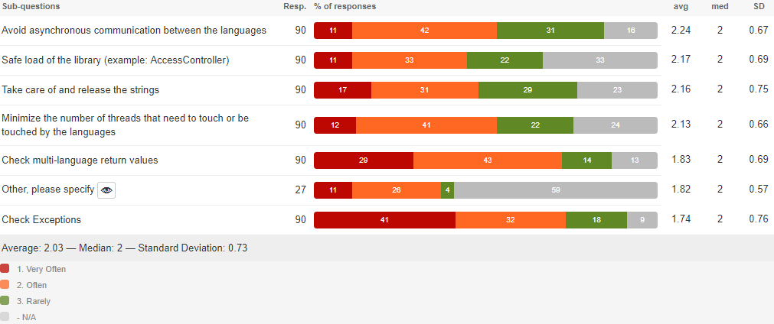
 | Average | 1.73
 | Median | 2
 | Total respondents: | 93
 | Skipped question: | 0

23.2. Are you following any of the below practices when developing multi-language systems? (https://www.ibm.com/developerworks/library/j-jni/index.html), (https://developer.android.com/training/articles/perf-jni)
Check multi-language return values
 | 1 Very Often | 26 | 27.96
 | 2 Often | 40 | 43.01
 | 3 Rarely | 14 | 15.05
 | - N/A | 13 | 13.98
 | Average | 1.85
 | Median | 2
 | Total respondents: | 93
 | Skipped question: | 0

23.3. Are you following any of the below practices when developing multi-language systems? (https://www.ibm.com/developerworks/library/j-jni/index.html), (https://developer.android.com/training/articles/perf-jni)
Take care of and release the strings
 | 1 Very Often | 16 | 17.20
 | 2 Often | 28 | 30.11
 | 3 Rarely | 26 | 27.96
 | - N/A | 23 | 24.73
 | Average | 2.14
 | Median | 2
 | Total respondents: | 93
 | Skipped question: | 0

23.4. Are you following any of the below practices when developing multi-language systems? (https://www.ibm.com/developerworks/library/j-jni/index.html), (https://developer.android.com/training/articles/perf-jni)
Avoid asynchronous communication between the languages
 | 1 Very Often | 10 | 10.75
 | 2 Often | 38 | 40.86
 | 3 Rarely | 29 | 31.18
 | - N/A | 16 | 17.20
 | Average | 2.25
 | Median | 2
 | Total respondents: | 93
 | Skipped question: | 0

23.5. Are you following any of the below practices when developing multi-language systems? (https://www.ibm.com/developerworks/library/j-jni/index.html), (https://developer.android.com/training/articles/perf-jni)
Minimize the number of threads that need to touch or be touched by the languages
 | 1 Very Often | 11 | 11.83
 | 2 Often | 38 | 40.86
 | 3 Rarely | 20 | 21.51
 | - N/A | 24 | 25.81
 | Average | 2.13
 | Median | 2
 | Total respondents: | 93
 | Skipped question: | 0

23.6. Are you following any of the below practices when developing multi-language systems? (https://www.ibm.com/developerworks/library/j-jni/index.html), (https://developer.android.com/training/articles/perf-jni)
Safe load of the library (example: AccessController)
 | 1 Very Often | 11 | 11.83
 | 2 Often | 30 | 32.26
 | 3 Rarely | 21 | 22.58
 | - N/A | 31 | 33.33
 | Average | 2.16
 | Median | 2
 | Total respondents: | 93
 | Skipped question: | 0

23.7. Are you following any of the below practices when developing multi-language systems? (https://www.ibm.com/developerworks/library/j-jni/index.html), (https://developer.android.com/training/articles/perf-jni)
Other, please specify
 | 1 Very Often | 3 | 10.71
 | 2 Often | 7 | 25
 | 3 Rarely | 1 | 3.57
 | - N/A | 17 | 60.71
 | Average | 1.82
 | Median | 2
 | Total respondents: | 28
 | Skipped question: | 65

Section IV Question 24
 | Check Exceptions | Check multi-language return values | Take care of and release the strings | Avoid asynchronous communication between the languages | Minimize the number of threads that need to touch or be touched by the languages | Safe load of the library (example: AccessController) | Other, please specify
Expandability | 22 | 17 | 19 | 15 | 17 | 21 | 1
Simplicity | 24 | 20 | 23 | 32 | 33 | 16 | 4
Reusability | 31 | 30 | 24 | 22 | 26 | 27
Learnability | 14 | 17 | 12 | 12 | 7 | 11 | 5
Understandability | 22 | 28 | 39 | 28 | 28 | 39 | 2
Modularity | 25 | 25 | 13 | 18 | 23 | 8 | 26
N/A | 19 | 19 | 11 | 24 | 19 | 15 | 2

24. How do you evaluate the impact of the following practices on those quality attributes? Select where you believe there is a positive impact(https://www.ibm.com/developerworks/library/j-jni/index.html), (https://developer.android.com/training/articles/perf-jni)(Khomh, F., & Gueheneuce, Y. G. (2008, April). Do design patterns impact software quality positively?. In Software Maintenance and Reengineering, 2008. CSMR 2008. 12th European Conference on (pp. 274-278). IEEE.)
 | Expandability | Simplicity | Reusability | Learnability | Understandability | Modularity | N/A
Check Exceptions | 22 | 24 | 31 | 14 | 22 | 25 | 19
Check multi-language return values | 17 | 20 | 30 | 17 | 28 | 25 | 19
Take care of and release the strings | 19 | 23 | 24 | 12 | 39 | 13 | 11
Avoid asynchronous communication between the languages | 15 | 32 | 22 | 12 | 28 | 18 | 24
Minimize the number of threads that need to touch or be touched by the languages | 17 | 33 | 26 | 7 | 28 | 23 | 19
Safe load of the library (example: AccessController) | 21 | 16 | 27 | 11 | 39 | 8 | 15
Other, please specify | 1 | 4 |  | 5 | 2 | 26 | 2
Blank |  |  | 4

 | Expandability | Simplicity | Reusability | Learnability | Understandability | Modularity | N/A
Check Exceptions | 22 | 24 | 31 | 14 | 22 | 25 | 19
Check multi-language return values | 17 | 20 | 30 | 17 | 28 | 25 | 19
Take care of and release the strings | 19 | 23 | 24 | 12 | 39 | 13 | 11
Avoid asynchronous communication between the languages | 15 | 32 | 22 | 12 | 28 | 18 | 24
Minimize the number of threads that need to touch or be touched by the languages | 17 | 33 | 26 | 7 | 28 | 23 | 19
Safe load of the library (example: AccessController) | 21 | 16 | 27 | 11 | 39 | 8 | 15
Other, please specify | 1 | 4 |  | 5 | 2 | 26 | 2
 |  |  | 4

24.1. How do you evaluate the impact of the following practices on those quality attributes?(https://www.ibm.com/developerworks/library/j-jni/index.html), (https://developer.android.com/training/articles/perf-jni)(Khomh, F., & Gueheneuce, Y. G. (2008, April). Do design patterns impact software quality positively?. In Software Maintenance and Reengineering, 2008. CSMR 2008. 12th European Conference on (pp. 274-278). IEEE.)
Check Exceptions
 | 1 Expandability | 22 | 23.91
 | 2 Simplicity | 24 | 26.09
 | 3 Reusability | 31 | 33.70
 | 4 Learnability | 14 | 15.22
 | 5 Understandability | 22 | 23.91
 | 6 Modularity | 25 | 27.17
 | - N/A | 19 | 20.65
 | Total respondents: | 92
 | Skipped question: | 1

24.2. How do you evaluate the impact of the following practices on those quality attributes?(https://www.ibm.com/developerworks/library/j-jni/index.html), (https://developer.android.com/training/articles/perf-jni)(Khomh, F., & Gueheneuce, Y. G. (2008, April). Do design patterns impact software quality positively?. In Software Maintenance and Reengineering, 2008. CSMR 2008. 12th European Conference on (pp. 274-278). IEEE.)
Check multi-language return values
 | 1 Expandability | 17 | 18.48
 | 2 Simplicity | 20 | 21.74
 | 3 Reusability | 30 | 32.61
 | 4 Learnability | 17 | 18.48
 | 5 Understandability | 28 | 30.43
 | 6 Modularity | 25 | 27.17
 | - N/A | 19 | 20.65
 | Total respondents: | 92
 | Skipped question: | 1

24.3. How do you evaluate the impact of the following practices on those quality attributes?(https://www.ibm.com/developerworks/library/j-jni/index.html), (https://developer.android.com/training/articles/perf-jni)(Khomh, F., & Gueheneuce, Y. G. (2008, April). Do design patterns impact software quality positively?. In Software Maintenance and Reengineering, 2008. CSMR 2008. 12th European Conference on (pp. 274-278). IEEE.)
Take care of and release the strings
 | 1 Expandability | 19 | 20.65
 | 2 Simplicity | 23 | 25
 | 3 Reusability | 24 | 26.09
 | 4 Learnability | 12 | 13.04
 | 5 Understandability | 39 | 42.39
 | 6 Modularity | 13 | 14.13
 | - N/A | 11 | 11.96
 | Total respondents: | 92
 | Skipped question: | 1

24.4. How do you evaluate the impact of the following practices on those quality attributes?(https://www.ibm.com/developerworks/library/j-jni/index.html), (https://developer.android.com/training/articles/perf-jni)(Khomh, F., & Gueheneuce, Y. G. (2008, April). Do design patterns impact software quality positively?. In Software Maintenance and Reengineering, 2008. CSMR 2008. 12th European Conference on (pp. 274-278). IEEE.)
Avoid asynchronous communication between the languages
 | 1 Expandability | 15 | 16.30
 | 2 Simplicity | 32 | 34.78
 | 3 Reusability | 23 | 25
 | 4 Learnability | 12 | 13.04
 | 5 Understandability | 28 | 30.43
 | 6 Modularity | 18 | 19.57
 | - N/A | 24 | 26.09
 | Total respondents: | 92
 | Skipped question: | 1

24.5. How do you evaluate the impact of the following practices on those quality attributes?(https://www.ibm.com/developerworks/library/j-jni/index.html), (https://developer.android.com/training/articles/perf-jni)(Khomh, F., & Gueheneuce, Y. G. (2008, April). Do design patterns impact software quality positively?. In Software Maintenance and Reengineering, 2008. CSMR 2008. 12th European Conference on (pp. 274-278). IEEE.)
Minimize the number of threads that need to touch or be touched by the languages
 | 1 Expandability | 17 | 18.48
 | 2 Simplicity | 33 | 35.87
 | 3 Reusability | 26 | 28.26
 | 4 Learnability | 7 | 7.61
 | 5 Understandability | 28 | 30.43
 | 6 Modularity | 23 | 25
 | - N/A | 19 | 20.65
 | Total respondents: | 92
 | Skipped question: | 1

24.6. How do you evaluate the impact of the following practices on those quality attributes?(https://www.ibm.com/developerworks/library/j-jni/index.html), (https://developer.android.com/training/articles/perf-jni)(Khomh, F., & Gueheneuce, Y. G. (2008, April). Do design patterns impact software quality positively?. In Software Maintenance and Reengineering, 2008. CSMR 2008. 12th European Conference on (pp. 274-278). IEEE.)
Safe load of the library (example: AccessController)
 | 1 Expandability | 21 | 22.83
 | 2 Simplicity | 16 | 17.39
 | 3 Reusability | 27 | 29.35
 | 4 Learnability | 11 | 11.96
 | 5 Understandability | 39 | 42.39
 | 6 Modularity | 8 | 8.70
 | - N/A | 15 | 16.30
 | Total respondents: | 92
 | Skipped question: | 1

24.7. How do you evaluate the impact of the following practices on those quality attributes?(https://www.ibm.com/developerworks/library/j-jni/index.html), (https://developer.android.com/training/articles/perf-jni)(Khomh, F., & Gueheneuce, Y. G. (2008, April). Do design patterns impact software quality positively?. In Software Maintenance and Reengineering, 2008. CSMR 2008. 12th European Conference on (pp. 274-278). IEEE.)
Other, please specify
 | 1 Expandability | 1 | 2.86
 | 2 Simplicity | 4 | 11.43
 | 3 Reusability | 4 | 11.43
 | 4 Learnability | 5 | 14.29
 | 5 Understandability | 2 | 5.71
 | 6 Modularity | 26 | 74.29
 | - N/A | 2 | 5.71
 | Total respondents: | 35
 | Skipped question: | 58

Section IV Question 25
25. If you answer N/A in the previous question, please provide an explanation
 | Lack of knowledge about patterns and practices | 35 | 67.31
 | Lack of time | 19 | 36.54
 | Lack of interest on patterns and practices | 8 | 15.38
 | Other, please specify | 6 | 11.54
 | Total respondents: | 52
 | Skipped question: | 41

 | Other
 | 25.4. Other, please specify
 | Lack of knowledge about those practices.
 | I am the sole C/C++ coder in my organization. I consider all prototypes the many apps I develop.
 | Didn't use multi-language very often.
 | Not applicable to Swift, Objective-C, Javascript as it is not an external module.
 | Not used

Section IV Question 26
26. How often do you encounter the following pitfalls in your project(s)? (https://www.ibm.com/developerworks/library/j-jni/index.html), (Tan, G., & Croft, J. (2008, July). An Empirical Security Study of the Native Code in the JDK. In Usenix Security Symposium (pp. 365-378))
 | 1 Very Often | 2 Often | 3 Rarely | - N/A | 26.8. Other
Not caching method IDs, field IDs, and classes | 9 | 30 | 29 | 25
Using many local references without informing the JVM | 8 | 23 | 28 | 34 | I have little experience with JNI
Not checking for exceptions | 13 | 22 | 44 | 16 | compatibility
Not checking return values | 11 | 22 | 49 | 11 | Not checking session tokens
Using global references incorrectly | 10 | 20 | 46 | 17 | An utter lack of type-safety when bridging languages
Buffer overflows | 6 | 43 | 23 | 21
Memory Management flaws | 12 | 31 | 29 | 21
Other, please specify | 4 | 4 | 7 | 3

26.1. How often do you encounter the following pitfalls in your project(s)? (https://www.ibm.com/developerworks/library/j-jni/index.html), (Tan, G., & Croft, J. (2008, July). An Empirical Security Study of the Native Code in the JDK. In Usenix Security Symposium (pp. 365-378))
Not caching method IDs, field IDs, and classes
 | 1 Very Often | 9 | 9.68
 | 2 Often | 30 | 32.26
 | 3 Rarely | 29 | 31.18
 | - N/A | 25 | 26.88
 | Average | 2.31
 | Median | 2
 | Total respondents: | 93
 | Skipped question: | 0

26.2. How often do you encounter the following pitfalls in your project(s)? (https://www.ibm.com/developerworks/library/j-jni/index.html), (Tan, G., & Croft, J. (2008, July). An Empirical Security Study of the Native Code in the JDK. In Usenix Security Symposium (pp. 365-378))
Using many local references without informing the JVM
 | 1 Very Often | 8 | 8.60
 | 2 Often | 23 | 24.73
 | 3 Rarely | 28 | 30.11
 | - N/A | 34 | 36.56
 | Average | 2.34
 | Median | 2
 | Total respondents: | 93
 | Skipped question: | 0

26.3. How often do you encounter the following pitfalls in your project(s)? (https://www.ibm.com/developerworks/library/j-jni/index.html), (Tan, G., & Croft, J. (2008, July). An Empirical Security Study of the Native Code in the JDK. In Usenix Security Symposium (pp. 365-378))
Not checking for exceptions
 | 1 Very Often | 13 | 13.98
 | 2 Often | 20 | 21.51
 | 3 Rarely | 44 | 47.31
 | - N/A | 16 | 17.20
 | Average | 2.40
 | Median | 3
 | Total respondents: | 93
 | Skipped question: | 0

26.4. How often do you encounter the following pitfalls in your project(s)? (https://www.ibm.com/developerworks/library/j-jni/index.html), (Tan, G., & Croft, J. (2008, July). An Empirical Security Study of the Native Code in the JDK. In Usenix Security Symposium (pp. 365-378))
Not checking return values
 | 1 Very Often | 11 | 11.83
 | 2 Often | 22 | 23.66
 | 3 Rarely | 49 | 52.69
 | - N/A | 11 | 11.83
 | Average | 2.46
 | Median | 3
 | Total respondents: | 93
 | Skipped question: | 0

26.5. How often do you encounter the following pitfalls in your project(s)? (https://www.ibm.com/developerworks/library/j-jni/index.html), (Tan, G., & Croft, J. (2008, July). An Empirical Security Study of the Native Code in the JDK. In Usenix Security Symposium (pp. 365-378))
Using global references incorrectly
 | 1 Very Often | 10 | 10.75
 | 2 Often | 20 | 21.51
 | 3 Rarely | 46 | 49.46
 | - N/A | 17 | 18.28
 | Average | 2.47
 | Median | 3
 | Total respondents: | 93
 | Skipped question: | 0

26.6. How often do you encounter the following pitfalls in your project(s)? (https://www.ibm.com/developerworks/library/j-jni/index.html), (Tan, G., & Croft, J. (2008, July). An Empirical Security Study of the Native Code in the JDK. In Usenix Security Symposium (pp. 365-378))
Buffer overflows
 | 1 Very Often | 6 | 6.45
 | 2 Often | 43 | 46.24
 | 3 Rarely | 23 | 24.73
 | - N/A | 21 | 22.58
 | Average | 2.51
 | Median | 3
 | Total respondents: | 93
 | Skipped question: | 0

26.7. How often do you encounter the following pitfalls in your project(s)? (https://www.ibm.com/developerworks/library/j-jni/index.html), (Tan, G., & Croft, J. (2008, July). An Empirical Security Study of the Native Code in the JDK. In Usenix Security Symposium (pp. 365-378))
Memory Management flaws
 | 1 Very Often | 12 | 12.90
 | 2 Often | 31 | 33.33
 | 3 Rarely | 29 | 31.18
 | - N/A | 21 | 22.58
 | Average | 2.26
 | Median | 2
 | Total respondents: | 93
 | Skipped question: | 0

26.8. How often do you encounter the following pitfalls in your project(s)? (https://www.ibm.com/developerworks/library/j-jni/index.html), (Tan, G., & Croft, J. (2008, July). An Empirical Security Study of the Native Code in the JDK. In Usenix Security Symposium (pp. 365-378))
Other, please specify
 | 1 Very Often | 4 | 11.76
 | 2 Often | 4 | 11.76
 | 3 Rarely | 7 | 20.59
 | - N/A | 3 | 8.82
 | Average | 2.20
 | Median | 2
 | Total respondents: | 34
 | Skipped question: | 59

Section IV Question 27
27.1. How do you evaluate the impact of the following pitfalls on those quality attributes? Select where you believe there is a negative impact |  |  |  |  |  |  |  |  | 27.8. Other | 27.8.1. Other, please specify - Expandability

 | Expandability | Simplicity | Reusability | Learnability | Understandability | Modularity | N/A |  | I have little experience with JNI
Not caching method IDs, field IDs, and classes | 12 | 24 | 19 | 10 | 37 | 17 | 7 | 126 | Same as previous ' How do you evaluate...'
Using many local references without informing the JVM | 12 | 21 | 19 | 16 | 40 | 15 | 12 | 135
Not checking for exceptions | 21 | 20 | 27 | 14 | 30 | 24 | 12 | 148
Not checking return values | 19 | 24 | 27 | 14 | 30 | 23 | 14 | 151
Using global references incorrectly | 18 | 26 | 25 | 16 | 32 | 26 | 22 | 165
Buffer overflows | 19 | 16 | 22 | 11 | 41 | 14 | 13 | 136
Memory Management flaws | 24 | 15 | 21 | 12 | 38 | 16 | 14 | 140
Other, please specify | 2 | 2 | 4 | 5 | 4 | 27 | 2 | 46
 | 125 | 146 | 160 | 93 | 248 | 135 | 94

27.1. How do you evaluate the impact of the following pitfalls on those quality attributes? |  |  |  |  |  |  |  |  |  | Expandability
Not caching method IDs, field IDs, and classes
 | 1 Expandability | 12 | 13.04
 | 2 Simplicity | 24 | 26.09
 | 3 Reusability | 19 | 20.65
 | 4 Learnability | 10 | 10.87
 | 5 Understandability | 37 | 40.22
 | 6 Modularity | 17 | 18.48
 | - N/A | 7 | 7.61
 | Total respondents: | 92
 | Skipped question: | 1

27.2. How do you evaluate the impact of the following pitfalls on those quality attributes?
Using many local references without informing the JVM
 | 1 Expandability | 12 | 13.04
 | 2 Simplicity | 21 | 22.83
 | 3 Reusability | 19 | 20.65 |  |  |  |  |  |  | Expandability
 | 4 Learnability | 16 | 17.39
 | 5 Understandability | 40 | 43.48
 | 6 Modularity | 15 | 16.30
 | - N/A | 12 | 13.04
 | Total respondents: | 92
 | Skipped question: | 1

27.3. How do you evaluate the impact of the following pitfalls on those quality attributes?
Not checking for exceptions
 | 1 Expandability | 21 | 22.83
 | 2 Simplicity | 20 | 21.74
 | 3 Reusability | 27 | 29.35
 | 4 Learnability | 14 | 15.22
 | 5 Understandability | 30 | 32.61
 | 6 Modularity | 24 | 26.09
 | - N/A | 12 | 13.04
 | Total respondents: | 92
 | Skipped question: | 1

27.4. How do you evaluate the impact of the following pitfalls on those quality attributes?
Not checking return values
 | 1 Expandability | 19 | 20.65
 | 2 Simplicity | 24 | 26.09
 | 3 Reusability | 27 | 29.35
 | 4 Learnability | 14 | 15.22
 | 5 Understandability | 30 | 32.61
 | 6 Modularity | 23 | 25
 | - N/A | 14 | 15.22
 | Total respondents: | 92
 | Skipped question: | 1

27.5. How do you evaluate the impact of the following pitfalls on those quality attributes?
Using global references incorrectly
 | 1 Expandability | 18 | 19.57
 | 2 Simplicity | 26 | 28.26
 | 3 Reusability | 25 | 27.17
 | 4 Learnability | 16 | 17.39
 | 5 Understandability | 32 | 34.78
 | 6 Modularity | 26 | 28.26
 | - N/A | 22 | 23.91
 | Total respondents: | 92
 | Skipped question: | 1

27.6. How do you evaluate the impact of the following pitfalls on those quality attributes?
Buffer overflows
 | 1 Expandability | 19 | 20.65
 | 2 Simplicity | 16 | 17.39
 | 3 Reusability | 22 | 23.91
 | 4 Learnability | 11 | 11.96
 | 5 Understandability | 41 | 44.57
 | 6 Modularity | 14 | 15.22
 | - N/A | 13 | 14.13
 | Total respondents: | 92
 | Skipped question: | 1

27.7. How do you evaluate the impact of the following pitfalls on those quality attributes?
Memory Management flaws
 | 1 Expandability | 24 | 26.09
 | 2 Simplicity | 15 | 16.30
 | 3 Reusability | 21 | 22.83
 | 4 Learnability | 12 | 13.04
 | 5 Understandability | 38 | 41.30
 | 6 Modularity | 16 | 17.39
 | - N/A | 14 | 15.22
 | Total respondents: | 92
 | Skipped question: | 1

27.8. How do you evaluate the impact of the following pitfalls on those quality attributes?
Other, please specify
 | 1 Expandability | 2 | 5.56
 | 2 Simplicity | 2 | 5.56
 | 3 Reusability | 4 | 11.11
 | 4 Learnability | 5 | 13.89
 | 5 Understandability | 4 | 11.11
 | 6 Modularity | 27 | 75
 | - N/A | 2 | 5.56
 | Total respondents: | 36
 | Skipped question: | 57

Section IV Open Question 28
28. Are you using any tools or methods to detect multi-language patterns and good/bad practices? If yes please describe.

No, but i'm using Ptidej to detect patterns in mono language systems | Mono-language patterns detection tools | Method/Tool | Frequencies
Code review, tools in each editor that helps to keep your code clean (tslint for example) | linting tool/Running tests | GMP : good manifacturing practices ISA 92 for Automation | 1
GMP : good manifacturing practices ISA 92 for Automation | GMP | Running tests | 2
SonarQube, SonarLint, JSHint, JSLint | linting tool/Mono-language patterns detection tools | linting tools (JSLint,JSHint,Tslint) | 2
IntelliJ Idea | IDEs | IDEs | 2
JDeodorant to detect anomalies and refactor the code. | Mono-language patterns detection tools | Mono-language patterns detection tools | 3
IDEs | IDEs
A lot of tests are scheduled to run at least twice a week. | Running tests
 |  | One answer could belong to more than one category

https://www.sitepoint.com/comparison-javascript-linting-tools/
https://www.sonarqube.org/ |  | Mono-language patterns detection tools (SonarQube,Ptidej,Jdeodorant)
https://www.developpez.net/forums/d1835356/general-developpement/alm/outils/sonar-qube-sonar-lint-bien/

Section IV Question 30
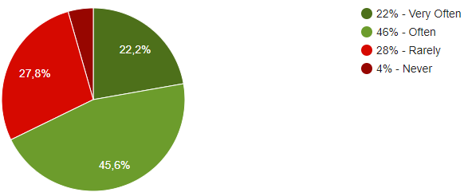
30. How much do you refactor to improve your multi-language code and remove bad practices?
 |  | Frequencies
 | 1 Very Often | 20 | 21.51
 | 2 Often | 41 | 44.09
 | 3 Rarely | 28 | 30.11
 | 4 Never | 4 | 4.30
 | Average | 2.17
 | Median | 2
 | Total respondents: | 93
 | Skipped question: | 0

Section IV Question 31
31.1. From your experience, how do you evaluate the effort needed to remove bad practices of multi-language systems in those phases? (https://www.linkedin.com/pulse/what-software-development-life-cycle-sdlc-phases-private-limited/)

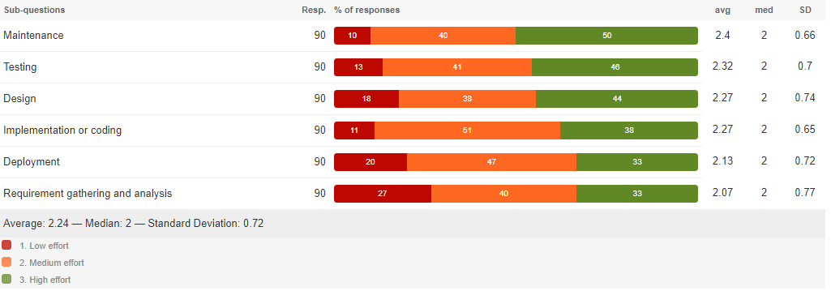
 | Low effort | Medium effort | High effort
Requirement gathering and analysis | 24 | 38 | 31
Design | 16 | 34 | 43
Implementation or coding | 11 | 48 | 34
Testing | 13 | 37 | 43
Deployment | 20 | 42 | 31
Maintenance | 10 | 36 | 46

31.1. From your experience, how do you evaluate the effort needed to remove bad practices of multi-language systems in those phases? (https://www.linkedin.com/pulse/what-software-development-life-cycle-sdlc-phases-private-limited/)
Requirement gathering and analysis
 | 1 Low effort | 24 | 25.81
 | 2 Medium effort | 38 | 40.86
 | 3 High effort | 31 | 33.33
 | Average | 2.08
 | Median | 2
 | Total respondents: | 93
 | Skipped question: | 0

31.2. From your experience, how do you evaluate the effort needed to remove bad practices of multi-language systems in those phases? (https://www.linkedin.com/pulse/what-software-development-life-cycle-sdlc-phases-private-limited/)
Design
 | 1 Low effort | 16 | 17.20
 | 2 Medium effort | 34 | 36.56
 | 3 High effort | 43 | 46.24
 | Average | 2.29
 | Median | 2
 | Total respondents: | 93
 | Skipped question: | 0

31.3. From your experience, how do you evaluate the effort needed to remove bad practices of multi-language systems in those phases? (https://www.linkedin.com/pulse/what-software-development-life-cycle-sdlc-phases-private-limited/)
Implementation or coding
 | 1 Low effort | 11 | 11.83
 | 2 Medium effort | 48 | 51.61
 | 3 High effort | 34 | 36.56
 | Average | 2.25
 | Median | 2
 | Total respondents: | 93
 | Skipped question: | 0

31.4. From your experience, how do you evaluate the effort needed to remove bad practices of multi-language systems in those phases? (https://www.linkedin.com/pulse/what-software-development-life-cycle-sdlc-phases-private-limited/)
Testing
 | 1 Low effort | 13 | 13.98
 | 2 Medium effort | 37 | 39.78
 | 3 High effort | 43 | 46.24
 | Average | 2.32
 | Median | 2
 | Total respondents: | 93
 | Skipped question: | 0

31.5. From your experience, how do you evaluate the effort needed to remove bad practices of multi-language systems in those phases? (https://www.linkedin.com/pulse/what-software-development-life-cycle-sdlc-phases-private-limited/)
Deployment
 | 1 Low effort | 20 | 21.51
 | 2 Medium effort | 42 | 45.16
 | 3 High effort | 31 | 33.33
 | Average | 2.12
 | Median | 2
 | Total respondents: | 93
 | Skipped question: | 0

31.6. From your experience, how do you evaluate the effort needed to remove bad practices of multi-language systems in those phases? (https://www.linkedin.com/pulse/what-software-development-life-cycle-sdlc-phases-private-limited/)
Maintenance
 | 1 Low effort | 10 | 10.75
 | 2 Medium effort | 36 | 38.71
 | 3 High effort | 47 | 50.54
 | Average | 2.40
 | Median | 3
 | Total respondents: | 93
 | Skipped question: | 0

